Set up
User name of SIMS user with permission to run reports | f.admin | temporary value | Version 3v
Password of SIMS user with permission to run reports | peinture | temporary value
Location of CommandReporter.exe | C:\Program Files\SIMS\SIMS .net |  |  |  |  | Bat file string for testing
Server name\Instance |  |  |  |  |  | "C:\Program Files\SIMS\SIMS .net\CommandReporter.exe" /USER:f.admin /PASSWORD:peinture /SERVERNAME: /DATABASENAME: /REPORT:"Automation - Achievement (DateFromTo)" /OUTPUT:"T:\General\Examinations\Daily Procedures 2016\SIMS Management and Setup\Tools\Behaviour dashboard (Source SIMS)\Barlow attempt 1\Report18.csv" /PARAMS:"<ReportParameters><Parameter id='zbE3+SquTbiVKVwTwvK9QA==' subreportfilter='True'><Values><Start>2016-11-19</Start><End>2016-12-19</End></Values></Parameter></ReportParameters>"
Database name |  |  |  |  |  | "C:\Program Files\SIMS\SIMS .net\CommandReporter.exe" /USER:f.admin /PASSWORD:peinture /SERVERNAME: /DATABASENAME: /REPORT:"_AutomationTestCLR" /OUTPUT:"T:\Staff Resources\Data Management\_2015-16\2016 02 18 - SISM automation and dashboard\Report9.csv" /PARAMS:
Save Output file to | T:\General\Examinations\Daily Procedures 2016\SIMS Management and Setup\Tools\Behaviour dashboard (Source SIMS)\Barlow attempt 1\outputs | temporary value
School name | Barlow RC High
Send emails to | f.rackham@thebarlowrchigh.co.uk;s.platt@thebarlowrchigh.co.uk | temporary value |  |  |  | 2
smtp server eg smtpserver.local | Outlook
Path for email
email from
Dashboard zoom setting (%) | 60 |  |  | DEBUG MODE? | FALSE
 |  |  |  | Skip weekends? | Yes
Report details
Report1 - Location this week | Report2 - PP Last 30 Days | Report3 - SEND Last 30 Days |  | Today | 2017-01-22
Automation - Behaviour (DateFromTo) | Automation - Behaviour (DateFromTo) | Automation - Behaviour (DateFromTo) |  | 7 days ago | 2017-01-15
<Parameter id='61jJQgmWcKF6KBylfgHxlQ==' subreportfilter='True'> | <Parameter id='61jJQgmWcKF6KBylfgHxlQ==' subreportfilter='True'> | <Parameter id='61jJQgmWcKF6KBylfgHxlQ==' subreportfilter='True'> |  | Previous working day | 2017-01-20
<Start>2016-12-12</Start><End>2016-12-19</End> | <Start>2016-12-23</Start><End>2017-01-22</End> | <Start>2017-01-15</Start><End>2017-01-22</End> |  | Start of year | 2016-09-01 | September 1st of this year | 2016
 |  |  |  | 30 days ago | 2016-12-23
Report4 Time of Day, last week | Report6-Top 20 students | Report6-StaffThisMonth |  | 14 days ago | 2017-01-08
Automation - Behaviour (DateFromTo) | Automation - Behaviour (DateFromTo) | Automation - Behaviour (DateFromTo) |  | 7 days time | 2017-01-29
<Parameter id='61jJQgmWcKF6KBylfgHxlQ==' subreportfilter='True'> | <Parameter id='61jJQgmWcKF6KBylfgHxlQ==' subreportfilter='True'> | <Parameter id='61jJQgmWcKF6KBylfgHxlQ==' subreportfilter='True'> |  |  |  |  | Behaviour Report | Automation - Behaviour (DateFromTo) | <Parameter id='61jJQgmWcKF6KBylfgHxlQ==' subreportfilter='True'>
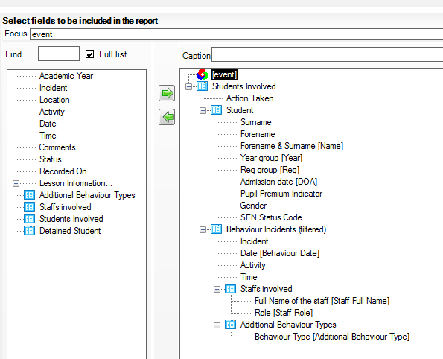
<Start>2016-12-05T14:38:36</Start><End>2016-12-12T14:38:36</End> | <Start>2017-01-15</Start><End>2017-01-22</End> | <Start>2016-12-23</Start><End>2017-01-22</End>
 |  |  |  | Don't Send Email | TRUE
Report7 - Start of Year | Report8 - Last Month (30 days) | Report9 - Last Week
Automation - Behaviour (DateFromTo) | Automation - Behaviour (DateFromTo) | Automation - Behaviour (DateFromTo) |  | Instructions for report setup are below all the report settings. Do read these!
<Parameter id='61jJQgmWcKF6KBylfgHxlQ==' subreportfilter='True'> | <Parameter id='61jJQgmWcKF6KBylfgHxlQ==' subreportfilter='True'> | <Parameter id='61jJQgmWcKF6KBylfgHxlQ==' subreportfilter='True'>
<Start>2016-09-01</Start><End>2017-01-22</End> | <Start>2016-12-23</Start><End>2017-01-22</End> | <Start>2017-01-15</Start><End>2017-01-22</End>

ACHIEVEMENT REPORTS |  |  |  | LastDate ThisWBClosedand Saved | 1/22/17
Report10 - Location (last 30 days) | Report11 - PP Last 30 Days | Report12 - SEND Last 30 Days
Automation - Achievement (DateFromTo) | Automation - Achievement (DateFromTo) | Automation - Achievement (DateFromTo)
<Parameter id='zbE3+SquTbiVKVwTwvK9QA==' subreportfilter='True'> | <Parameter id='zbE3+SquTbiVKVwTwvK9QA==' subreportfilter='True'> | <Parameter id='zbE3+SquTbiVKVwTwvK9QA==' subreportfilter='True'>
<Start>2016-12-23</Start><End>2017-01-22</End> | <Start>2016-12-23</Start><End>2017-01-22</End> | <Start>2016-12-23</Start><End>2017-01-22</End>

Report13 Time of Day (last 30 days) | Report14-Top 20 students (last 30 days) | Report15-Staff (last 30 days)
Automation - Achievement (DateFromTo) | Automation - Achievement (DateFromTo) | Automation - Achievement (DateFromTo)
<Parameter id='zbE3+SquTbiVKVwTwvK9QA==' subreportfilter='True'> | <Parameter id='zbE3+SquTbiVKVwTwvK9QA==' subreportfilter='True'> | <Parameter id='zbE3+SquTbiVKVwTwvK9QA==' subreportfilter='True'>
<Start>2016-12-23</Start><End>2017-01-22</End> | <Start>2016-12-23</Start><End>2017-01-22</End> | <Start>2016-12-23</Start><End>2017-01-22</End>

Report16 - Start of Year | Report17 - Last Month (30 days) | Report18 - Last Week [Currently Month]
Automation - Achievement (DateFromTo) | Automation - Achievement (DateFromTo) | Automation - Achievement (DateFromTo)
<Parameter id='zbE3+SquTbiVKVwTwvK9QA==' subreportfilter='True'> | <Parameter id='zbE3+SquTbiVKVwTwvK9QA==' subreportfilter='True'> | <Parameter id='zbE3+SquTbiVKVwTwvK9QA==' subreportfilter='True'>
<Start>2016-09-01</Start><End>2017-01-22</End> | <Start>2016-12-23</Start><End>2017-01-22</End> | <Start>2016-12-23</Start><End>2017-01-22</End>

Follow these instructions carefully. Only change cells shaded green! (Full instructions available separately) |  | Check this |  |  |  |  | Achievement Report | Automation - Achievement (DateFromTo)
SIMS reports | Check the report design and ensure date ranges and run-time parameters have default values selected. Tick "prompt at run-time" if you are supplying parameters.
 | Fill in the exact names of the reports in the table above.
 | Fill in the name and password of the SIMS user who can run the reports (often set up specifically to run reports and nothing else)

Setting a date range | For absolute dates, add dates directly to rows 18 and 23 etc, or use direct from Reportparams
 | For a relative range (eg last 7 days), use the calculator in J15 to J17 and then concatenate, using TEXT(J15,"yyyy-mm-dd") to keep dates in correct format
 | Click the "Get Parameters" utility to get report parameter. Will save to same location as Dashboard. Copy and paste id into rows 17 and 22. The macro will replace " with ' automatically
 | For reports using a single date, use =CONCATENATE("<DATE>",TEXT(J16,"yyyy-mm-dd"),"</DATE>")

This file ("Dashboard") | Save this file ("Dashboard") on a client PC or the server. A server is preferred as it is always running, so the report can be scheduled to run at night, but Excel may not be installed.
 | Data in the form of .csv files will be written to this same folder, so ensure that the logged on user running this macro enabled Excel workbook (not necessarily the same as the SIMS user) has Write permissions
 | Check the location of CommandReporter.exe and amend cell B3 if different
 | Use separate folders if multiple copies for different audiences

The output file ("Todays's Output") | Decide where the daily report will be saved and fill in the path above. Check that the logged on user running this macro enabled Excel workbook (not necessarily the same as the SIMS user) has Write permissions. Path must be full (:\\Sims\....) rather than mapped drive specific to user (eg S:SIMS..) else scheduled task will not work.

email | Fill in details above. Check that emails can be relayed to smtp server
 | Change other settings (such as message and heading) in line 278 and following.

Running first time | Make sure radio button "Set up mode" is selected
 | Run the report
 | In this mode, the macro will pause before running the CommandReporter, and will skip the final "Tidying up" stages.
 | Try and watch what is appearing on the black screens each time the CommandReporter runs (once per report). It should log in, find the report, run the report. If it is too quick or there is an error later, it has probably failed. If it has been successful, it will have saved a "Report1/2/3/4.csv" file to the same folder as the "Dashboard" file is stored.
 | There should be a sheet ("Report1" etc) in this workbook for each set of data. Check that they all look OK.

Adding columns | It may be necessary to add a further column, for example to calculate % attendance
 | Record a macro as you do it. Give the macro a sensible name. Put a title in Row 1 cell. Enter the calculation in the second cell down. Autofill to well beyond the last row to accommodate reports with more rows (eg more pupils in school). Format column to percent if necessary. Stop recording.
 | Edit the auto_open macro. Scroll down to just above the end and find 'Add extra tasks here'. Call your subroutine
 | The Per_cent_col is available for use as a sample - just edit the column letters.

Setting up the pivot tables | Now go to each pivot table in turn, click on each one and from the ribbon "Change data Source". Highlight the columns to include all the data (Complete columns, not just down to the last row)
 | Drag the fields to the correct boxes - typically Year Group for the row, and Average of Attendance or Behaviour points for values.
 | You may need to sort the years into order
 | You may need to format columns as % and change the number of decimal places
 | Note - if you change the location of this Dashboard file you must update the source of the pivot TABLE data (not the chart). Be aware that it also keeps a hidden copy, even if you delete it.
 | Filter the rows to remove blanks (but ensure that use "include new items in manual filter" otherwise fields that appear later will not display, eg behaviour
 | Rename charts (Layouts, Properties, Chart name)
 | Ensure in Outline form, otherwise drilldown will not work if rows are split (eg M/F)

Check the "Dashboard" sheet | Check that charts are correct
 | Adjust axes as necessary (for eample, start the vertical axis at 90% in the case of attendance)
 | Add school name, report names; remove legends etc as required

Testing | Delete the sheets of report data ("Report1" etc) and delete the .csv files from the folder ("Report1.csv" etc)
 | Save and close the workbook.
 | Open it again and check all is OK

Finally | Create a "Backup" folder and save a copy of this workbook. Don't change its name. You will need this copy in case you need to make later changes.
 | Change the radio button to "Operating mode". This time it will not pause, will delete the "Set - up" sheet, hide other sheets, and hide tool bars.
 | Save and close

Made a mistake? | The best option is to use the back up copy which is still in "Set up" mode
 | Otherwise you will have to try and interrupt the macro as it is running with Fn / Ctrl /B

Set scheduled task | As usual, except that may need to specify full path to Excel.exe and file to be opened as argument.

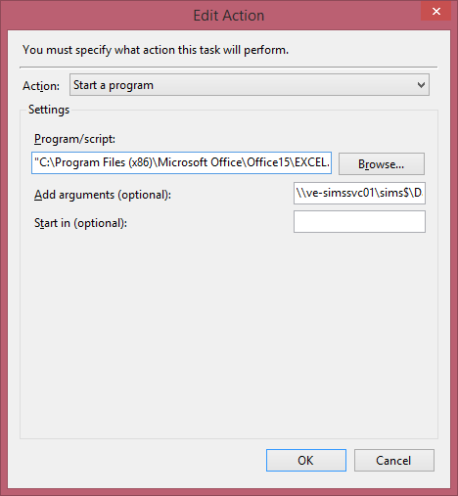
For support, contact
Nick Faux
School Improvement Consultant
M: 07710 383223
E: nicholas.faux@capita.co.uk

Capita SIMS
T: 01234 838080
F: 01234 832182
www.capita-sims.co.uk

